Sheet1
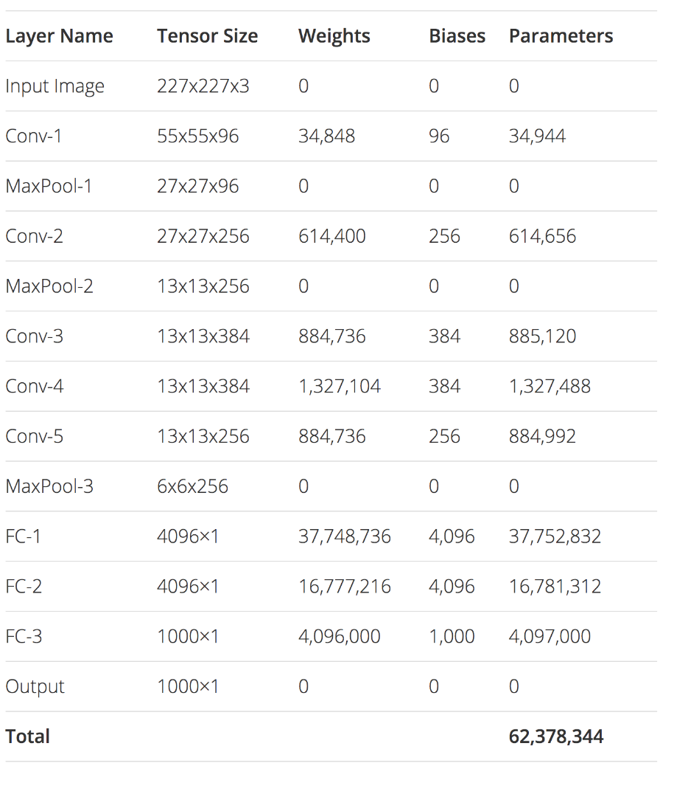
NTH | Input X for ConvN |  |  | Conv : F kernel (k*k*D) |  |  |  |  | Passing through Conv |  |  | Max-pooling : k*k |  |  | Passing through Max-pooling - Output ConvN |  |  | Weights |  | bias (D) |  | Param
 | W | H | D | F | k | D | s (stride) | p (padding) | W | H | D | k | s (stride) | p (padding) | W | H | D
Conv1 | 224 | 224 | 3 | 96 | 11 | 3 | 4 | 0 | 55 | 55 | 96 | 3 | 2 | 0 | 27 | 27 | 96 | 34848 | + | 96 | = | 34944
Conv2 | 27 | 27 | 96 | 256 | 5 | 96 | 1 | same | 27 | 27 | 256 | 3 | 2 | 0 | 13 | 13 | 256 | 614400 | + | 256 | = | 614656
Conv3 | 13 | 13 | 256 | 384 | 3 | 256 | 1 | same | 13 | 13 | 384 | valid | valid | valid | 13 | 13 | 384 | 884736 | + | 384 | = | 885120
Conv4 | 13 | 13 | 384 | 384 | 3 | 384 | 1 | same | 13 | 13 | 384 | valid | valid | valid | 13 | 13 | 384 | 1327104 | + | 384 | = | 1327488
Conv5 | 13 | 13 | 384 | 256 | 3 | 384 | 1 | same | 13 | 13 | 256 | 3 | 2 | 0 | 6 | 6 | 256 | 884736 | + | 256 | = | 884992

FC-1 | 4096 |  |  |  |  |  |  |  |  |  |  |  |  |  |  |  |  | 37748736 | + | 4096 | = | 37752832
FC-2 | 4096 |  |  |  |  |  |  |  |  |  |  |  |  |  |  |  |  | 16777216 | + | 4096 | = | 16781312
FC-3 | 1000 |  |  |  |  |  |  |  |  |  |  |  |  |  |  |  |  | 4096000 | + | 1000 | = | 4097000

 |  |  |  |  |  |  |  |  |  |  |  |  |  |  |  |  |  |  |  |  |  | 62378344

